Series
Mindtickle Series Template v3 |  |  |  |  |  |  |  |  |  |  |  |  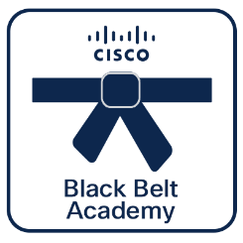 

Webex Calling
Deployment
 | Black Belt Webex Calling Deployment Stage 3 (Aug 2026)
 | This track introduces you to the advanced aspects of Cloud Calling and covers Calling APIs and programmability know hows, microsoft interoperability and Cloud calling with Imagicle, Algo and Broadworks.Cisco 360 Aligned Portfolio: Collaboration. Estimated series completion duration: 4 h 13 m

Series Title | Generated

Stage 3
Description | This track introduces you to the advanced aspects of Cloud Calling and covers Calling APIs and programmability know hows, microsoft interoperability and Cloud calling with Imagicle, Algo and Broadworks. Cisco 360 Aligned Portfolio: Collaboration.
 |  |  |  |  |  |  |  |  |  |  |  | **Note, this is a non-final static preview. The Partner 360 logo will be included based on your selection.**
Program Track | Webex Calling | Track | Deployment | Stage | Stage 3 | Persona | Partner | Language | English |  |  | Legend
 |  |  |  |  |  |  |  |  |  |  |  |  | Info not required
Duration (mins) | 253 | BE | Collaboration | Sub BE | Other | Category | Collaboration | Request Type |  |  |  |  | Missing or inaccurate info
 |  |  |  |  |  |  |  |  |  |  |  |  | Caution
Series Owners |  | Certificate |  | Checkpoints | 10/14 | Folder Name | Black_Belt_Webex_Calling_Deployment_Stage_3_(Aug_2026) | Template Name | 260805_Black_Belt_Webex_Calling_Deployment_Stage_3_(Aug_2026) |  |  | 2026-08-24 | Upcoming Release Date

P360

8 | 8 | 15 | 15 | 15 | 14 | 13 | 14 | 13 | 13 | 10
Section Order | Section Name | Section (M/O) | Module Order | Module Type | Module Title | Duration (mins) | Module Description | Module (M/O) | Module File Name | Module Link |  | Notes
1 | Cloud Calling: Automation & APIs* | Mandatory | 1 | Video | Agile Management of Webex Calling - There's an API for that | 54 | The session covers REST, JSON, serialization/deserialization, integrations, scopes and OAuth flows to best practices to building provisioning tools using a Python SDK that enables easy consumption of the Webex Calling APIs. | Mandatory | Agile_Management_of_Webex_Calling_-_There's_an_API_for_that.mp4
1 | Cloud Calling: Automation & APIs* | Mandatory | 2 | Video | Collaboration SEVT - Using Webex Call Control APIs and Webex Assistant Skills - | 48 | Foundation / Technical Expertise / TSA/PSS. Webex Calling offers open APIs for call-control, while Webex Assistant is a highly valued addition to the AI portfolio of the Webex ecosystem. ​In this session we will review the existing Webex Calling call con | Mandatory | Collaboration_SEVT_-_Using_Webex_Call_Control_APIs_and_Webex_Assistant_Skills_-.mp4
1 | Cloud Calling: Automation & APIs* | Mandatory | 3 | Video | Automating Migration to Webex Calling | 37 | In this session you'll see a brief demo illustrating options available to export data from our legacy call control platform, Cisco UCM and drill down into the breath of new Webex Calling APIs and bulk provisioning tools with real-world examples. | Mandatory | Automating_Migration_to_Webex_Calling.mp4
2 | Webex Calling - Microsoft Interoperability* | Mandatory | 1 | Video | Calling Interoperability with Microsoft Teams | 61 | This intermediate-level session provides attendees with a detailed understanding of how the Cisco communication solutions can interoperate with Microsoft Teams, with a specific focus on the calling scenarios. | Mandatory | Calling_Interoperability_with_Microsoft_Teams.mp4
3 | Imagicle for Webex Calling* | Mandatory | 1 | PDF | Imagicle for Webex Calling - Solution overview brochure | 10 | This is a Solution overview brochure for Imagicle and Webex Calling | Mandatory | Imagicle_for_Webex_Calling_-_Solution_overview_brochure.pdf
3 | Imagicle for Webex Calling* | Mandatory | 2 | Video | Take your Webex Calling to the next level with the Imagicle apps | 13 | In this session, you will learn how to enrich your Webex Calling with additional UC services from Imagicle and extend the same easy and unified experience to the whole company. | Mandatory | Take_your_Webex_Calling_to_the_next_level_with_the_Imagicle_apps.mp4
3 | Imagicle for Webex Calling* | Mandatory | 3 | PDF | Imagicle Attendant Console - Overview Deck | 10 | This is an overview deck for Imagicle Attendant Console | Mandatory | Imagicle_Attendant_Console_-_Overview_Deck.pdf
3 | Imagicle for Webex Calling* | Mandatory | 4 | PDF | Imagicle Webex Calling Admin Guide | 10 | magicle Call Recording for Cisco Webex Calling MT Complete Configuration and Admin Guide | Mandatory | Imagicle_Webex_Calling_Admin_Guide.pdf
3 | Imagicle for Webex Calling* | Mandatory | 5 | HTML | Webex Integration Imagicle Demo - Cisco dCloud | 2 | Imagicle offers the ONLY Attendant Console for Webex Calling, fully compatible with Webex Calling multi-tenant and dedicated. It's the perfect solution to ensure top-level customer service with advanced queuing and auto-attendant, providing self-service | Mandatory
4 | Webex Calling for Broadworks* | Mandatory | 1 | HTML | Overview of Webex for Cisco BroadWorks 1 | 2 | Learn about Webex for Cisco BroadWorks offer, that integrates BroadWorks Calling in Webex. | Mandatory
4 | Webex Calling for Broadworks* | Mandatory | 2 | HTML | Deploy Webex for Cisco BroadWorks | 2 | Learn how to deploy Webex for Cisco BroadWorks. | Mandatory
5 | Webex Calling with Algo* | Mandatory | 1 | HTML | Overview of Webex for Cisco BroadWorks 2 | 2 | Learn about Webex for Cisco BroadWorks offer, that integrates BroadWorks Calling in Webex. | Mandatory
6 | Black Belt - Cloud Calling Deployment Stage 3 - Capture the Flag | Optional | 1 | PDF | Black Belt - Cloud Calling Deployment Stage 3 - Capture the Flag | 2 | Have fun solving interesting challenges while learning new technologies and obtaining hands-on experience by playing Capture the Flag (CTF). | Optional | Black_Belt_-_Cloud_Calling_Deployment_Stage_3_-_Capture_the_Flag.pdf
7 | Quiz* | Mandatory | 1 | Assessment | Black Belt - Cloud Calling Deployment Stage 3 Quiz
8 | Submission Guidelines* | Mandatory | 1 | Doc

1 | 1 | 1 | 1 | 1 | 1 | 1 | 1 | 1 | 1 | 1 | 1 | 1 | 1

Missions
Black Belt Webex Calling Deployment Stage 3 (Aug 2026) Submission Guidelines

0 | 0 | 0 | 0 | 0 | 0
Missions | Choice | Mission Title | Mission Subtitle | Mission Description | Link

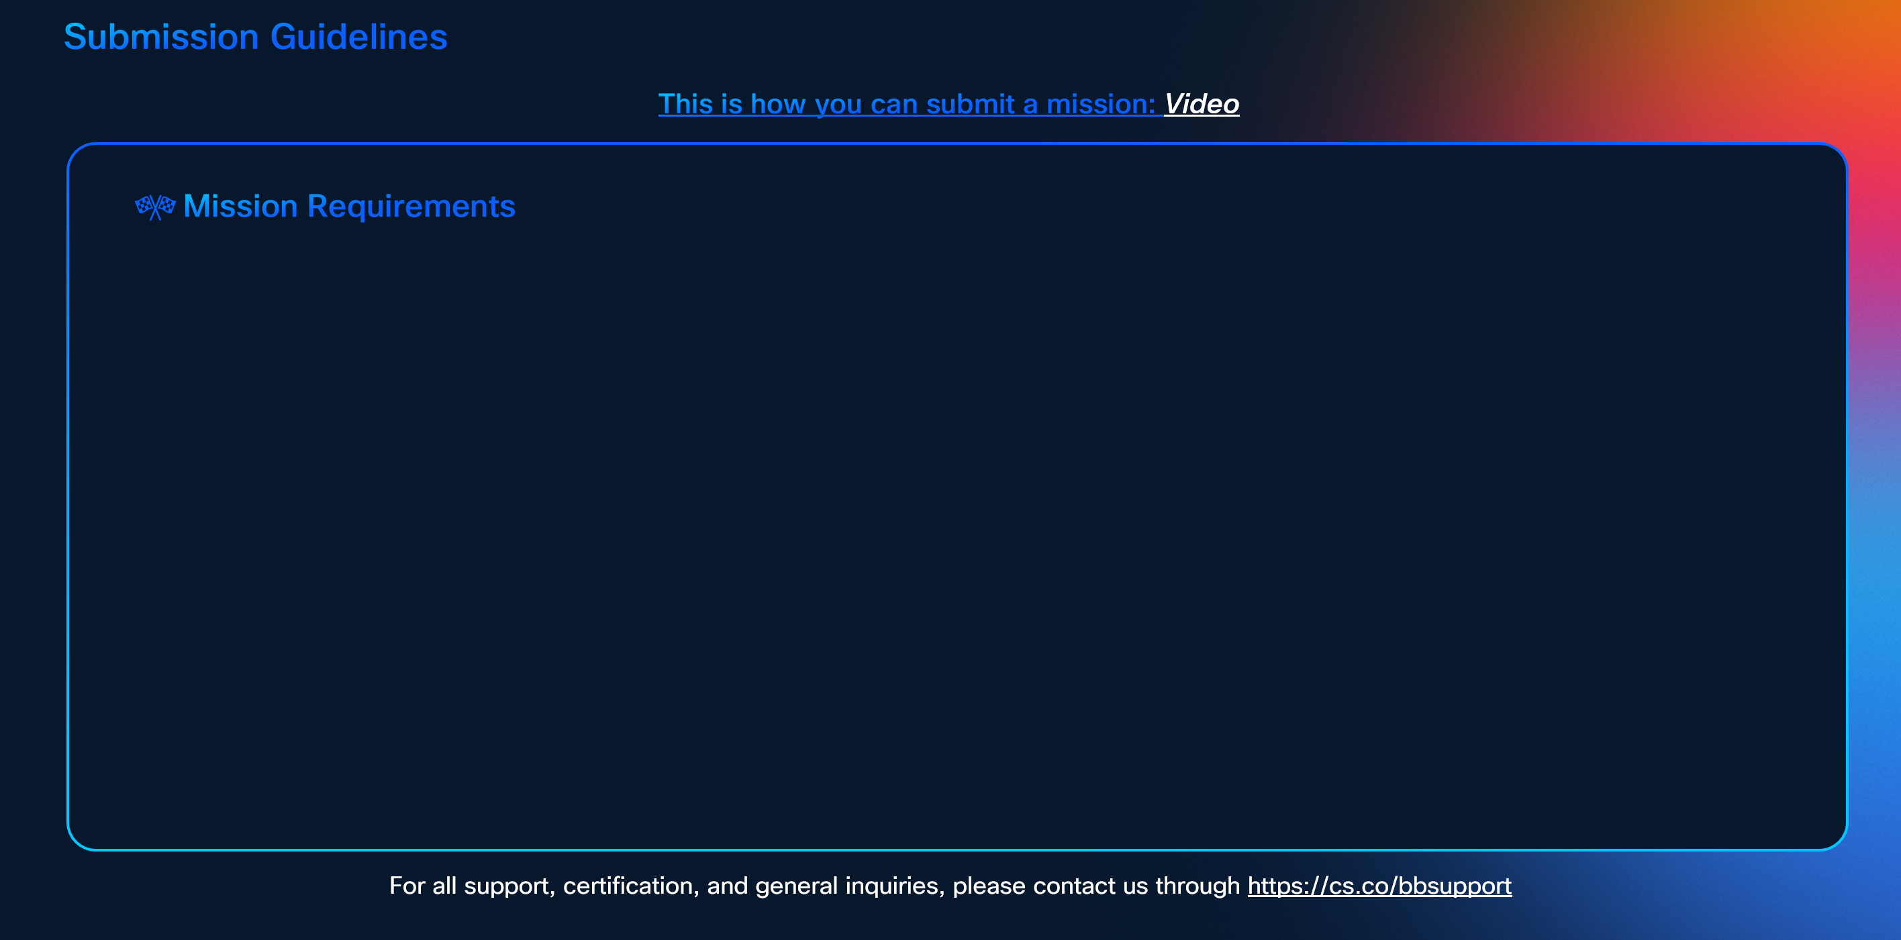

To earn certification, successfully complete the following missions:-

**Note, this is only a preview. The actual SG will feature the missions listed above, with a layout adjusted according to the number of missions.**

